Introduction

West Sussex whole school approach to emotional wellbeing and mental health audit and planning tool

School Name:
Name of senior mental health lead
Name of other SLT involved (to aid succession planning)
Contact email address

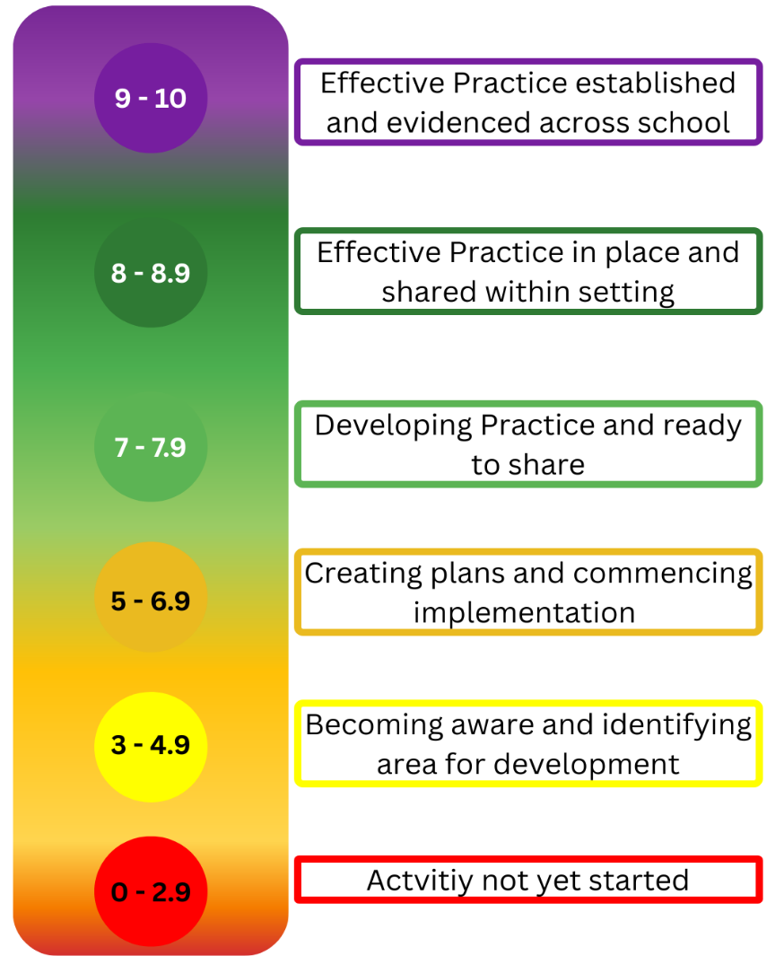
Date completed

Thank you to Brighton and Hove for allowing us to use their Whole School Approach to Emotional, Mental Health and Wellbeing spreadsheet format.

This tool is designed to help and support you with your whole school approach to emotional wellbeing and mental health. It looks at each of the eight principles of a whole school approach and asks questions about each area. By completing the questions you should be able to identify what's working well with your whole school approach and any areas you would like to develop. 1. Use the traffic light scaling to score each question from 1 to 10 (yellow questions section). Which number/descriptor best describes where you are? 2. Your scores will populate the spidergramme (green section) which will also include the overall score for each of the eight principles. You can detail any evidence or ideas about what's in place already in the outcomes by area section. 3. Finally, you can think about your next steps and develop your action plan. Please talk this through with the MHST, advisory teacher and school effectiveness if you need to.

Diagnosis Pre and Post
Leadership & Management |  |  | 6.5
Ethos & Environment |  |  | 4.5
Curriculum, teaching & learning |  |  | 7.5
Student (CYP) Voice |  |  | 4.3
Staff Development |  |  | 4.3
Identifying need and monitoring impact |  |  | 3.0
Parents & Carers |  |  | 4.5
Targeted support |  |  | 2.3
Initial Scores
EMHWB Action plan position for

Leadership & Management | 6.5
Ethos & Environment | 4.5
Curriculum, teaching & learning | 7.5
Student (CYP) Voice | 4.3
Staff Development | 4.3
Identifying need and monitoring impact | 3.0
Parents & Carers | 4.5
Targeted support | 2.3

Leadership & Management |  |  | 10.0
Ethos & Environment |  |  | 5.0
Curriculum, teaching & learning |  |  | 7.5
Student (CYP) Voice |  |  | 8.3
Staff Development |  |  | 6.0
Identifying need and monitoring impact |  |  | 4.8
Parents & Carers |  |  | 4.5
Targeted support |  |  | 5.0
End of Year Scores
EMHWB Action plan position for

 |  | Difference
Leadership & Management | 10.0 | 3.5
Ethos & Environment | 5.0 | 0.5
Curriculum, teaching & learning | 7.5 | 0.0
Student (CYP) Voice | 8.3 | 4.0
Staff Development | 6.0 | 1.8
Identifying need and monitoring impact | 4.8 | 1.8
Parents & Carers | 4.5 | 0.0
Targeted support | 5.0 | 2.8

